1. Title Page
Instacart Grocery Basket Analysis

Project Name: Instacart Grocery Basket Analysis
Date: October 5, 2020
Analyst Name: Matt Errington

Contents:
Population Flow
Consistency checks
Wrangling steps
Column derivations
Visualizations
Recommendations

“The Instacart Online Grocery Shopping Dataset 2017”, Accessed from https://www.instacart.com/datasets/grocery-shopping-2017 on [CareerFoundry course creation].

2. Population Flow
Title page

Population flow

Exclusion flag
Condition: max_order <
Obervations to be removed:
Final total count of order_products_all:

Orders_products_combined
Orders_products_merged
Orders_products_all

Total: 32,404,859
Total: 32,434,489
Total: 32,404,859

1.) The grey boxes in the first row of the population flow represent the original data sets as they were when you downloaded them. In the Total fields you need to add the count of the rows when you imported the data set into Jupyter.
2.) The second row of boxes (coloured) represents the data sets after you manipulated them, e.g., removed missing values and duplicates. In the Total fields you need to add the count of the rows after conducting these operations. This offers a visual oveview of how the data flows throughout the data consistency checks.
3.) The third row, where also the arrows are coloured, represents the merges you performed between the datasets. In the Total fields you need to add the count of the rows in the merged datasets, so that you end up with the final dataset (in the red box). Keep in mind the final dataset should be without exclusions (based on the exclusion flag).

3. Consistency checks
 |  |  |  | Title page
Consistency checks

Dataset | Missing values | Missing values treatment | Duplicates
orders | 0 | 0 | 0
products | 16 | Remove | 5
orders_products_prior | 0 | 0 | 0
customers | 0 | 0 | 0
orders_products_merged | 0 | Run crosstab | 0

4. Wrangling steps
 |  |  |  | Title page
Wrangling steps

Columns dropped | Columns renamed | Columns' type changed | Comment/Reason
 | order_dow to orders_day_of_week |  | to clarify
 |  | order_id to string | to make uniform type
 | order_number to user_order_count |  | to clarify
Removed first and last name |  |  | to preserve security of customers

5. Column derivations
 |  |  |  | Title page

Column derivations and aggregations

In this tab you should add tables below that the frequences of flags/label variables that you produced after deriving them. NB: don't do this for continuous variables, only for flags.
Dataset | New column | Column/s it was derived from | Conditions
ords_prods_merged | price_label | prices | low range <= 5
 |  |  | mid range > 5 and <= 15
 |  |  | high range >= 15
ords_prods_merged | orders_day_of_week | busiest_day | busiest = 0
 |  |  | least = 4
 |  |  | regular = all else
ords_prods_merged | orders_hour_of_day | busiest_period_of_day | fewest = 3 or 4
 |  |  | most = 10 or 11
 |  |  | average = all else
ords_prods_merged | max_order | loyalty_flag | new <= 10
 |  |  | regular > 10
 |  |  | loyal > 40
all_viz | state | region | crit. = East
 |  |  | crit. = West
 |  |  | crit. = North
 |  |  | crit. = South
all_viz | user_order_count | activity_flag | high >= 5
 |  |  | low < 5
all_viz | income | income_flag | low < 40,000
 |  |  | middle < 118,000
 |  |  | high = all else
all_viz | fam_status / n_dependants | cust_profile | single & >40 = older single
 |  |  | single & < 40 = young single
 |  |  | married & > 2 = married w/ kids
 |  |  | married & ==1 = married no kids
 |  |  | divorced or widowed
 |  |  | living w/ parents & > 20 = older at home
 |  |  | living w/ parents & < 20 = young at home

6. Visualizations
 |  | Title page

Visualisations

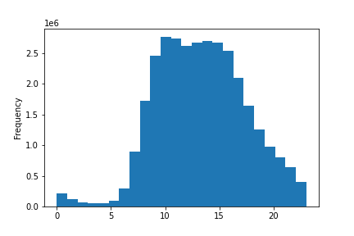

4.9 (3)
The histogram shows most orders occur
between 10am and 5pm.



4.9 (4)
The bar chart shows most customers
are "regular" - followed by loyal and then new.

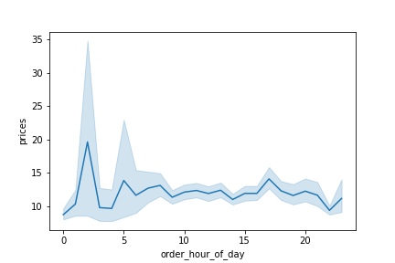

4.9 (5)
The line chart shows people spend more during
the early morning than later in the day.

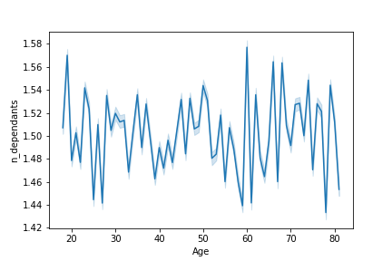

4.9 (6)
The line chart shows there is not real
correlation between age and number
of dependants.

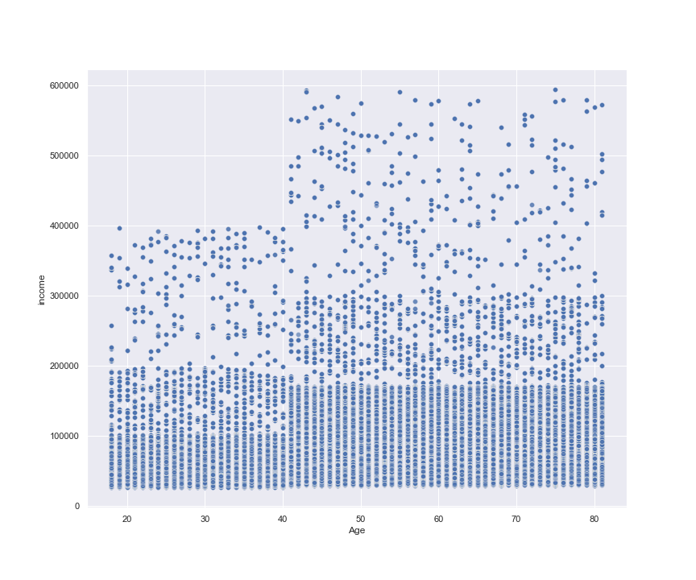

4.9 (7)
The scatterplot shows there is a jump
in income from those older than 40
years old.

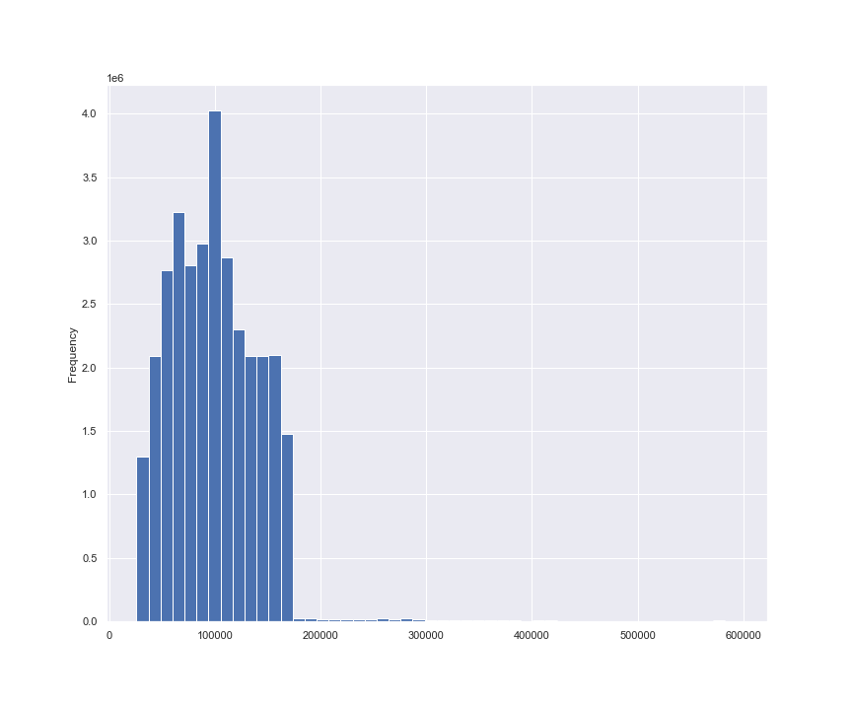

4.10 (5)
The histogram shows the distribution
of income levels in the dataframe.
You can see the majority fall between
75,000 and 150,000.

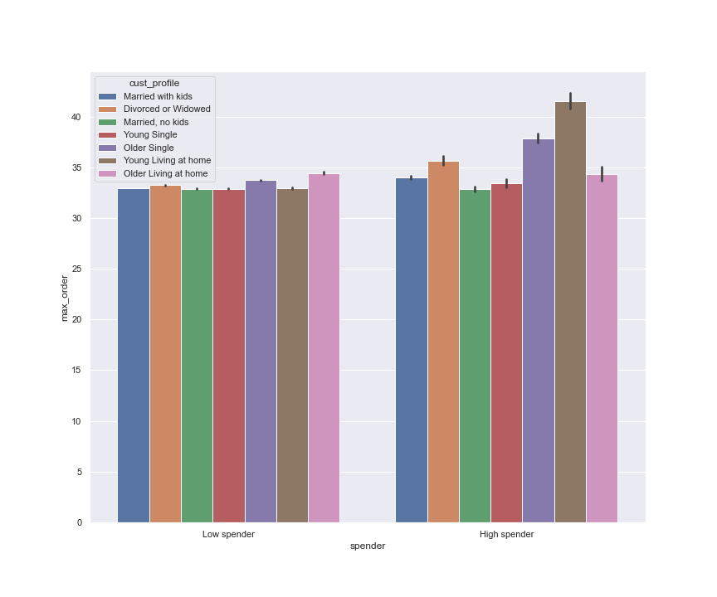

4.10 (5)
The bar chart shows the distribution of
customer profiles base on spending flag.

The profile with the highest spending
is Young Living at Home followed by
Older Single.

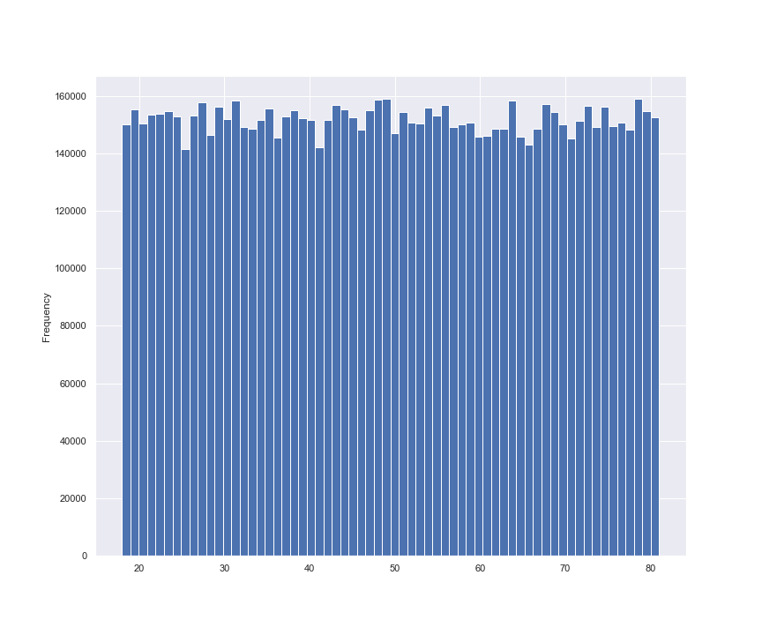

4.10 (5)
This histogram shows the distribution
of the customer base by age.

Surprisingly, there is not much variation.

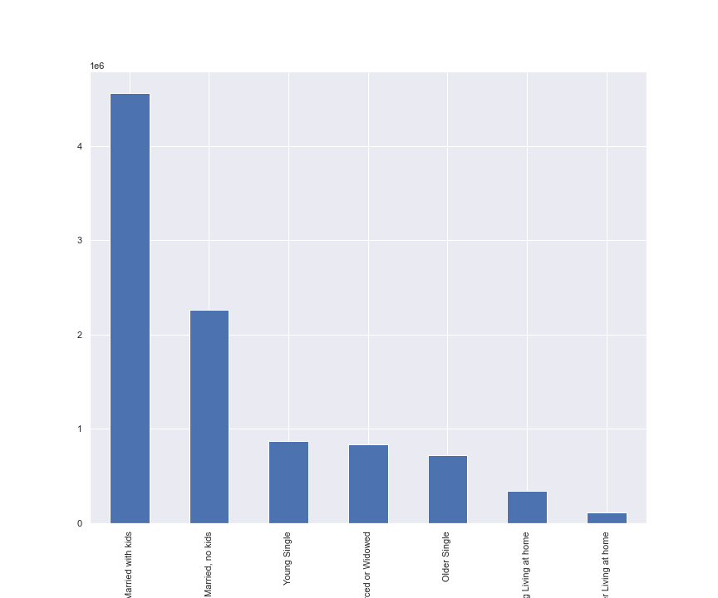

4.10 (5)
This bar chart shows the count of
customer profiles.

The largest customer group is
Married with kids, followed by
Married, no kids.

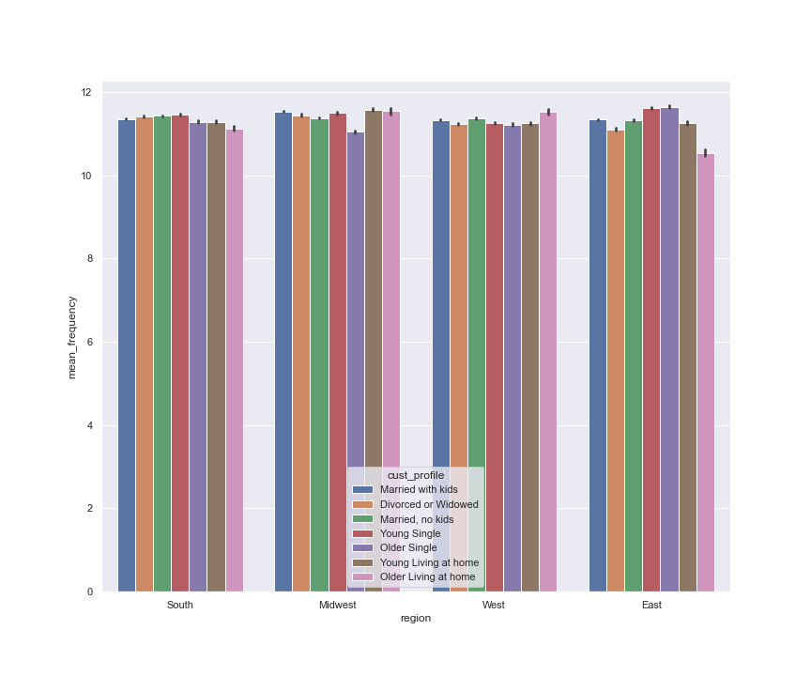

4.10 (8)
This bar chart shows the customer profile
grouping by Region.

You can see the greatest variety in
the East and Midwest regions.

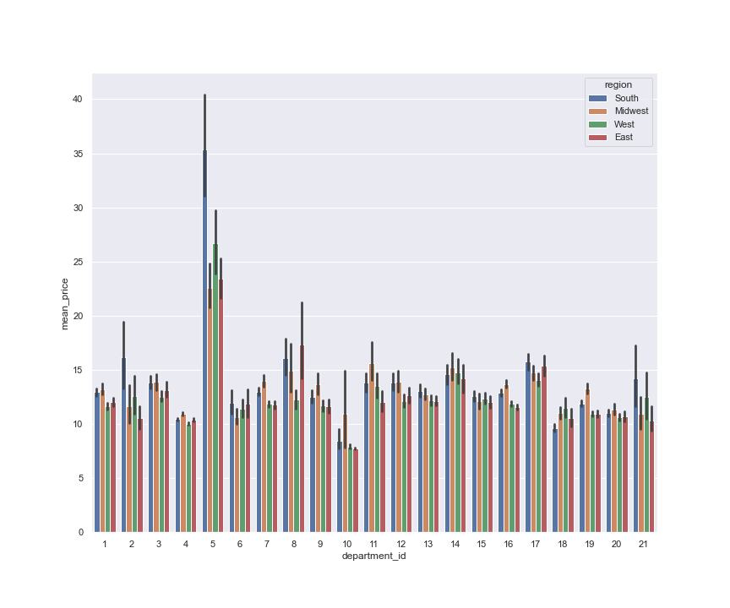

4.10 (8)
This bar chart shows the difference in Regional
purchases by department.

Dept 2 and 21 | Other / Missing
Dep 5 | Alcohol - higher in South
Dep 8 | Pets - higher in East
Dep 11 | Personal Care - higher in Midwest

7. Recommendations
 |  |  |  |  |  |  | Title page

Recommendations

In this tab you should include any recommendations you would made to Instcart in terms of their marketing strategy based on the questions posed in the brief. Every key question has been covered in the Tasks of the Exercises - here you need to add an item - a visualisation or table/crosstable that is showing the answer in the data, acompanied by a comment from you. Please, list the questions below and add the answer underneath.

1 | The sales team needs to know what the busiest days of the week and hours of the day are in order to schedule ads at
 | times when there are fewer orders.

 |  |  |  |  |  | You can see the busiest hours are between 9am and 5pm in the first chart.

 |  |  |  |  |  | The busiest day ('0') is Saturday, followed by Sunday, Friday, and Monday.

2 | They also want to know whether there are particular times of the day when people spend the most money, as this might
 | inform the type of products they advertise at these times.

 |  |  | Interestingly, people spend the most money at roughly 2am.

 |  |  | The rest of the day is fairly even with an uptick around 5pm, likely when people are off work.

3 | Instacart has a lot of products with different price tags. Marketing and sales want to use simpler price range grouping to
 | help direct their efforts.
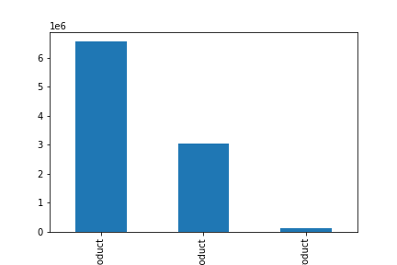
 |  |  | Mid-Range products make up about 2/3 of the products offered.

 |  |  | Low-Range products make up about 1/3 and High-Range products
 |  |  | are but a small portion of what Instacart offers.

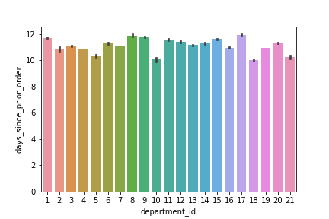
4 | Are there certain types of products that are more popular than others? The marketing and sales teams want to know which
 | departments have the highest frequency of product orders.
 |  |  | LEAST OFTEN ORDERED
 |  |  | 17 | Household | Probably orders once every few weeks
 |  |  | 8 | Pets | People stock up on pet food / items
 |  |  | 9 | Dry Goods / Pasta | People stock up on pasta goods, non-perishable.
 |  |  | MOST FREQUENTLY ORDERED
 |  |  | 10 | Bulk | This is surprising as you'd expect people to order this type less frequently.
 |  |  | 18 | Babies | Customers order baby items often, likely diapers and baby food.
 |  |  | 21 | Missing | Not much to comment.

5 | The marketing and sales teams are particularly interested in the different types of customers in their system and how their
 | ordering behaviors differ. For exmple:

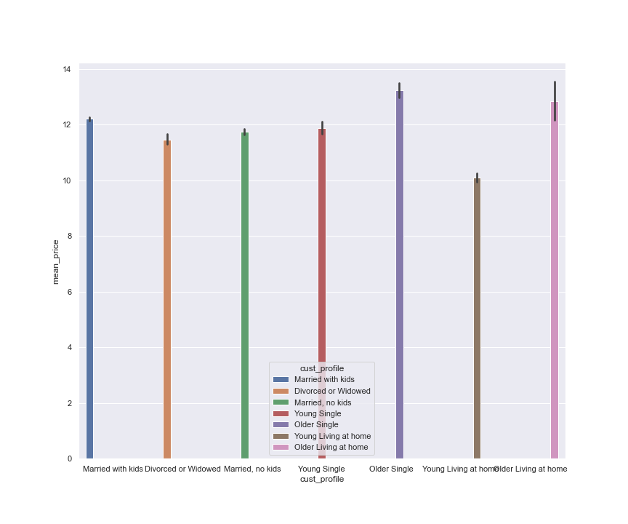
 |  | Are there differences in ordering habits based on a customer's loyalty status?

 |  |  | Older singles purchase the highest priced items.

 |  | Are there differences in ordering habits based on a customer's region?

 |  |  | There is not much variation between customer profiles in the West, Midwest and South.

 |  |  | There is a greater variation in order frequency among profiles on the East Coast.

 |  | What differences can you find in ordering habits of different customer profiles?

 |  |  | Customers spend more on alchol in the South than anywhere else in the country.

